Sheet1
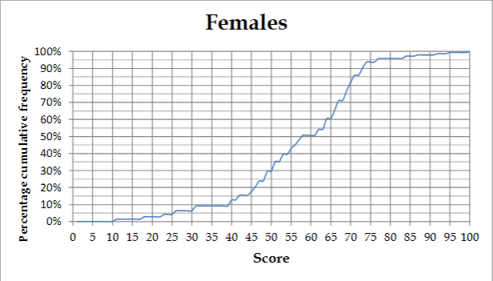
Min | 6
Max

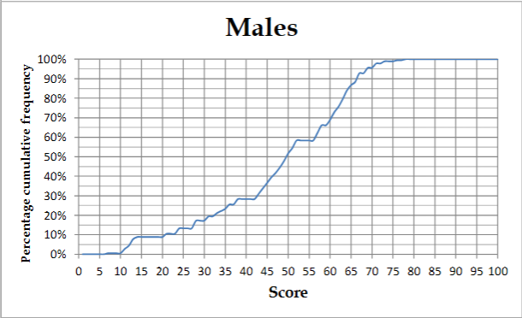
Min | 6
Max | 77
Lower Quartile | 36
Median | 50
Upper Quartile | 62

Sheet2
47 | 40 | 75 | 50 | 34 | 50 | 50 | 60 | 45 | 51 | 29 | 45 | 60 | 68 | 19 | 21 | 50 | 40 | 63 | 62 | 61 | 56

Range | Frequency
[0 - 19] | 1
[20 - 39] | 3
[40 - 59] | 11
[60 - 79] | 7

Sheet3
Class Interval | Class Width | Frequency | Cumulative Frequency | Frequency Density
[-25; -15] | 10 | 15 | 15 | 1.5
[-15; -5] | 10 | 30 | 45 | 3
[-5; 5] | 10 | 10 | 55 | 1
[5; 15] | 10 | 35 | 90 | 3.5
[15; 25] | 10 | 10 | 100 | 1

